1. Title Page
Grocery Basket Analysis

Project Name: Instacart Grocery Basket Analysis
Date: 11/07/2023
Analyst Name: Gregor Gurski

Contents:
Population Flow
Consistency checks
Wrangling steps
Column derivations
Visualizations
Recommendations

Data Citation:
“The Instacart Online Grocery Shopping Dataset 2017”, Accessed from www.instacart.com/datasets/grocery-shopping-2017 via Kaggle on 11/05/23.
Customers Data Set
Data Dictionary

2. Population Flow
Title page

Population flow

Exclusion flag
Condition: max_order <
Obervations to be removed:
Final total count of order_products_all:

Orders_products_combined
Orders_products_merged
Orders_products_all

Total: 32404859
Total: 32434489
Total: 32404859

1.) The grey boxes in the first row of the population flow represent the original data sets as they were when you downloaded them. In the Total fields you need to add the count of the rows when you imported the data set into Jupyter.
2.) The second row of boxes (coloured) represents the data sets after you manipulated them, e.g., removed missing values and duplicates. In the Total fields you need to add the count of the rows after conducting these operations. This offers a visual oveview of how the data flows throughout the data consistency checks.
3.) The third row, where also the arrows are coloured, represents the merges you performed between the datasets. In the Total fields you need to add the count of the rows in the merged datasets, so that you end up with the final dataset (in the red box). Keep in mind the final dataset should be without exclusions (based on the exclusion flag).

3. Consistency checks
 |  |  |  | Title page
Consistency checks

Dataset | Missing values | Missing values treatment | Duplicates
orders | 206209 NaN values. | The 206209 missing values represent the first order for each disctinct customer. Therefore, these missing values contain information and are not replaced or deleted | No duplicats found
products | 16 missing values | Deleted the missing values | 5 duplicates found in the df_products dataset. I deleted them with the ".drop_duplicates" option.
orders_products_prior | No missing values | No action needed | No duplicates found
customers | 11,259 missing values in customer first_name column | Each customer has a unique ID and first and last names will be removed due to PII, so these values were kept | No duplicates found

4. Wrangling steps
 |  |  |  | Title page
Wrangling steps

Columns dropped | Columns renamed | Columns' type changed | Comment/Reason
 |  | user_id | changed to string to make consistent for merge
 | First Name |  | changed to 'first_name' for consistency across column headings
 | Surnam |  | changed to 'surname' for consistency
 | Gender |  | changed to 'gender' to keep column titles consistent
 | STATE |  | changed to ' state' to keep column titles consistent
 | Age |  | changed to ' age' to keep column titles consistent
 | n_dependants |  | changed to 'number_of_dependants' for clarity and consistency
 | fam_status |  | changed to 'marital_status' for clarity and consistency
first_name |  |  | Security Implications - PII
surname |  |  | Security Implications - PII

5. Column derivations
 |  |  |  | Title page

Column derivations and aggregations

In this tab you should add tables below that the frequences of flags/label variables that you produced after deriving them. NB: don't do this for continuous variables, only for flags.
Dataset | New column | Column/s it was derived from | Conditions
orders_products_merged | price_range_loc' | 'prices' | df_full.loc[df_full['prices'] > 15, 'price_range_loc'] = 'High-range product', df_full.loc[(df_full['prices'] <= 15) & (df_full['prices'] > 5), 'price_range_loc'] = 'Mid-range product', df_full.loc[df_full['prices'] <= 5, 'price_range_loc'] = 'Low-range product'
orders_products_merged | 'busiest_day' | orders_day_of_week' | result = [] for value in df_full["orders_day_of_week"]: if value == 0: result.append("Busiest day") elif value == 4: result.append("Least busy") else: result.append("Regularly busy")
orders_products_merged | 'busiest_days' | 'orders_day_of_week' | Here we did grouping instead of individual days, so the regular busy and busiest days are nearly the same now. result2 = [] for value in df_full["orders_day_of_week"]: if value == 0 or value == 1: result2.append("Busiest days") elif value == 4 or value == 3: result2.append("Slowest days") else: result2.append("Regularly busy")
orders_products_merged | busiest_period_of_day' | 'order_hour_of_day' | hours = [] for value in df_full["order_hour_of_day"]: if value in [10, 11, 14, 15, 13, 12, 16, 9]: hours.append("Most orders") elif value in [23, 6, 0, 1, 5, 2, 4, 3]: hours.append("Fewest orders") else: hours.append("Average orders")
orders_products_merged | max_order' | 'user_id' and 'order_number' | df.groupby('department_id').agg({'order_number': ['mean', 'min', 'max']}) ords_prods_merge['max_order'] = ords_prods_merge.groupby(['user_id']) ['order_number'].transform(np.max)
orders_products_merged | 'loyalty_flag' | 'max_order' | ords_prods_merge.loc[ords_prods_merge['max_order'] > 40, 'loyalty_flag'] = 'Loyal customer', ords_prods_merge.loc[(ords_prods_merge['max_order'] <= 40) & (ords_prods_merge['max_order'] > 10), 'loyalty_flag'] = 'Regular customer', ords_prods_merge.loc[ords_prods_merge['max_order'] <= 10, 'loyalty_flag'] = 'New customer'
orders_products_merged | 'avg_price' | user_id' and 'prices' | # Avg_price column created using transfrom() function ords_prods_merge['avg_price'] = ords_prods_merge.groupby(['user_id'])['prices'].transform(np.mean)
orders_products_merged | 'spending_flag' | 'avg_price' | ords_prods_merge.loc[ords_prods_merge['avg_price'] < 10, 'spending_flag'] = 'Low spender' ords_prods_merge.loc[ords_prods_merge['avg_price'] >= 10, 'spending_flag'] = 'High spender'
orders_products_merged | 'median_days' | days_since_prior_order user_id | Returned median amount of days_since_prior_order for each user_id
orders_products_merged | 'frequency_flag' | 'median_days' | If median_days_since_prior_order is higher than 20, label "Non-frequent customer" If median_days_since_prior_order is between 10 and 20, label "Regular customer" If median_days_since_prior_order is less than or equal to 10, label "Frequent customer"
orders_products_customer_merge | region | state | If state is 'Maine', 'New Hampshire', 'Vermont', 'Massachusetts', 'Rhode Island', 'Connecticut', 'New York', 'Pennsylvania', 'New Jersey', append 'Northeast' If state is 'Wisconsin', 'Michigan', 'Illinois', 'Indiana', 'Ohio', 'North Dakota', 'South Dakota', 'Nebraska', 'Kansas', 'Minnesota', 'Iowa', 'Missouri' then append 'Midwest' If state is 'Delaware', 'Maryland', 'District of Columbia', 'Virginia', 'West Virginia', 'North Carolina', 'South Carolina', 'Georgia', 'Florida', 'Kentucky', 'Tennessee', 'Mississippi', 'Alabama', 'Oklahoma', 'Texas', 'Arkansas', 'Louisiana' then append 'South' If state is 'Idaho', 'Montana', 'Wyoming', 'Nevada', 'Utah', 'Colorado', 'Arizona', 'New Mexico', 'Alaska', 'Washington', 'Oregon', 'California', 'Hawaii' then append 'West'
orders_products_customer_merge | age_group | age | if age >= 18 and <= 35 append 'Young adult (18-35)' if age >= 36 and <= 55 append 'Middle-Aged Adults (36-55)' if age >= 56 and <= 81 append 'Senior Adults(56-81)'
orders_products_customer_merge | income_group | income | if income >= 25903 and <=67065 append 'Low Income' if income >= 67066 and <= 127933 append 'Medium Income' if income >= 127934 and <= 593901 append 'High Income'
orders_products_customer_merge | dependants_group | number_of_dependents | If customers do not have any dependants, set value to 'No dependants' If customers have 1 or more dependants, set value to 'Has dependants'
orders_products_customer_merge | customer_diet | user_id department | Default value is 'none' If customer does not have any past item purchases from 'meat seafood' department, flag as 'vegetarian' If customer does not have any past item purchases from 'meat seafood' or 'dairy eggs' department, flag as 'vegan'
orders_products_customer_merge | family_profile | marital status gender dependants_group | Label family profile with corresponding labels from marital status, gender, and dependants_group column flags.

6. Visualizations
 | Title page

Visualisations

In this tab you should include all the visualtions from Exercises 4.9 and 4.10, alongside the questions from the project brief that they answer. Include any commentary on the relationship between different variables.

1. The sales team needs to know what the busiest days of the week and hours of the day are (i.e., the days and times with the most orders) in order to schedule ads at times when there are fewer orders.

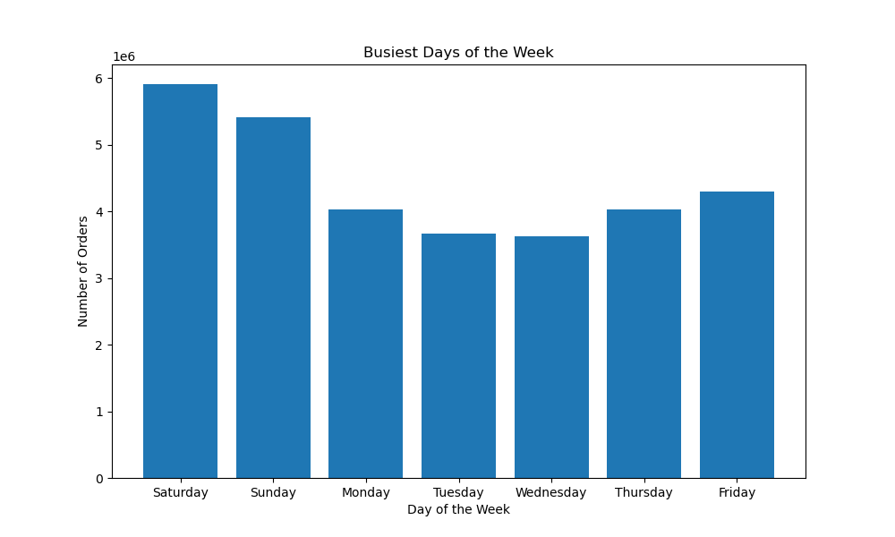


The bar chart illustrates that the highest number of orders occur on Saturdays and Sundays, indicating a strong preference for weekend shopping among customers.
The order hour of day histogram vividly portrays the prime timeframes for order placement. This visual representation highlights that the period spanning from 9 AM to 4 PM stands out as the peak hours for placing orders..

2. They also want to know whether there are particular times of the day when people spend the most money, as this might inform the type of products they advertise at these times

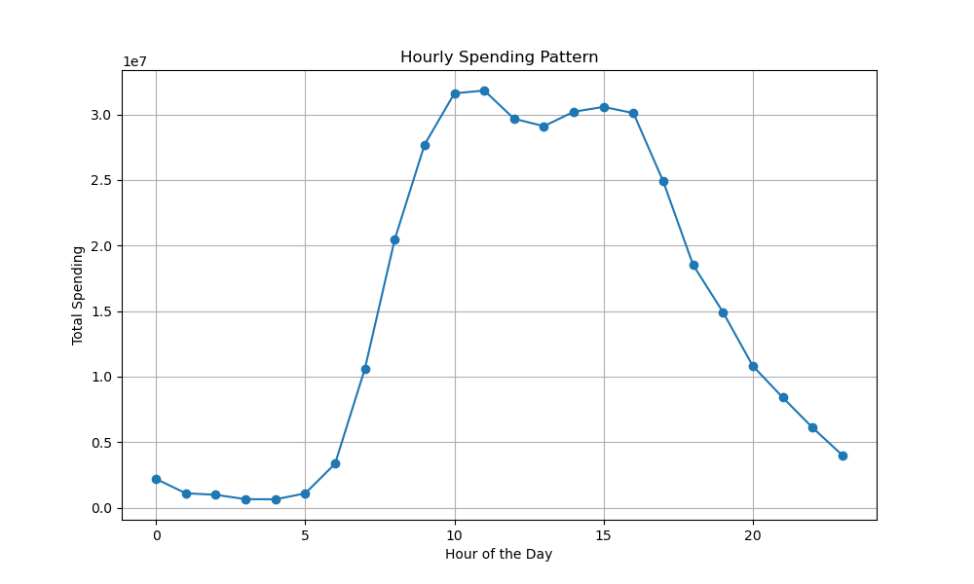

The Hourly Spending Pattern line chart likewise portrays the prime timeframes for order placement. This visual representation highlights that the period spanning from 9 AM to 4 PM stands out as the peak hours for total spending.
.

3.Instacart has a lot of products with different price tags. Marketing and sales want to use simpler price range groupings to help direct their efforts

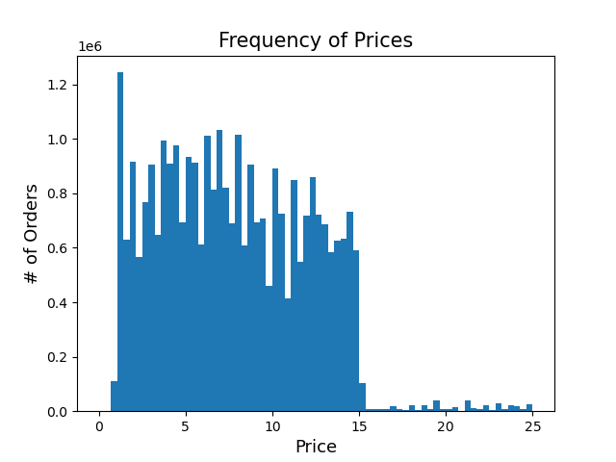

The histogram clearly illustrates that the majority of products are priced between $2 and $15, indicating a pricing range that resonates well with customers. This suggests a market preference for affordable and moderately priced items, aligning with the purchasing power of the customer base.

4.Are there certain types of products that are more popular than others? The marketing and sales teams want to know which departments have the highest frequency of product orders.

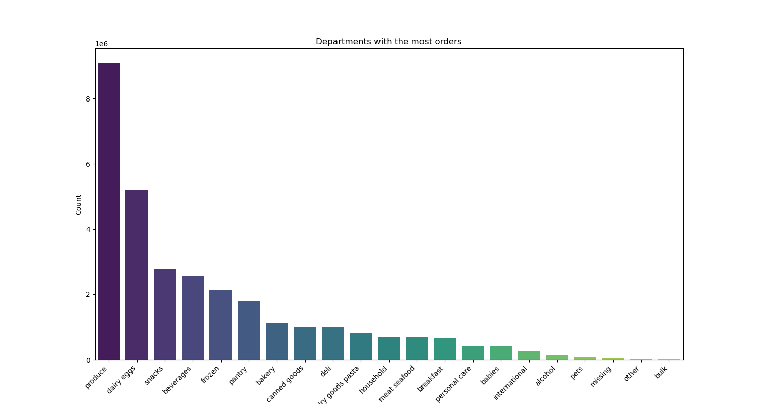

Undoubtedly, certain products exhibit higher popularity than others, with top-selling departments including Produce, Dairy & Eggs, Snacks, Frozen, Pantry, and more. To leverage this insight, a targeted advertising strategy could focus on highlighting featured products from these high-frequency departments. Promotions, bundles, or exclusive offers on items within these popular categories may capture even more attention and drive increased sales, creating a win-win for both customers and the business.

5.What’s the distribution among users in regards to their brand loyalty (i.e., how often do they return to Instacart)?

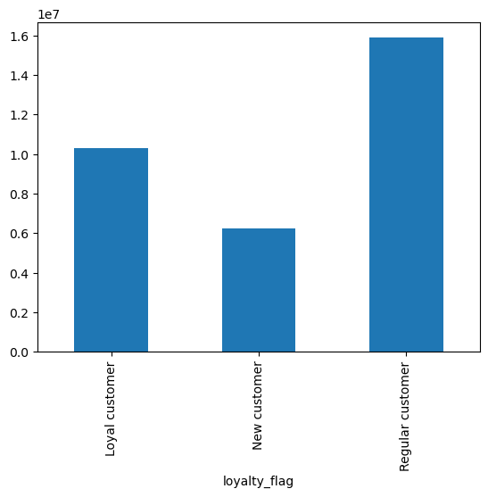

Most of the customers are regular customers, followed by loyal customers, and new customers constituting the smallest segment. Recognizing the significance of retaining our loyal customer base, a targeted marketing strategy could involve personalized promotions, exclusive offers, or loyalty programs tailored to reward and engage both regular and loyal customers.

6. What differences can you find in the ordering habits of different customer profiles? Study of the correlation between age and income


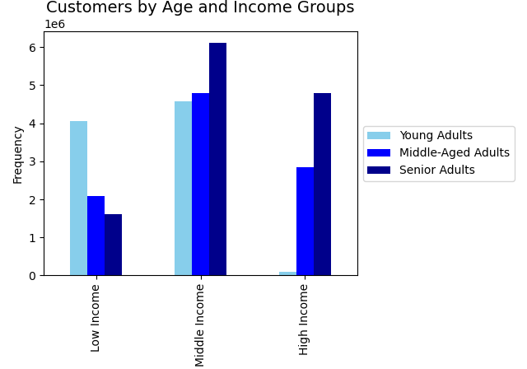

A noteworthy correlation emerges between age and spending power, with a particularly significant increase observed after the age of 40. This positive connection suggests that as individuals progress in age, there is a corresponding boost in their spending capacity. Recognizing this trend could inform targeted marketing strategies and product offerings tailored to the evolving preferences and financial capacities of different age groups. The bar chart of Customers by Age and Income Groups further illustrates that the Young Adults group constitutes a negligible part with a High Income.

7. What different classifications does the demographic information suggest? Region? Age? Income? Certain types of goods? Family status?

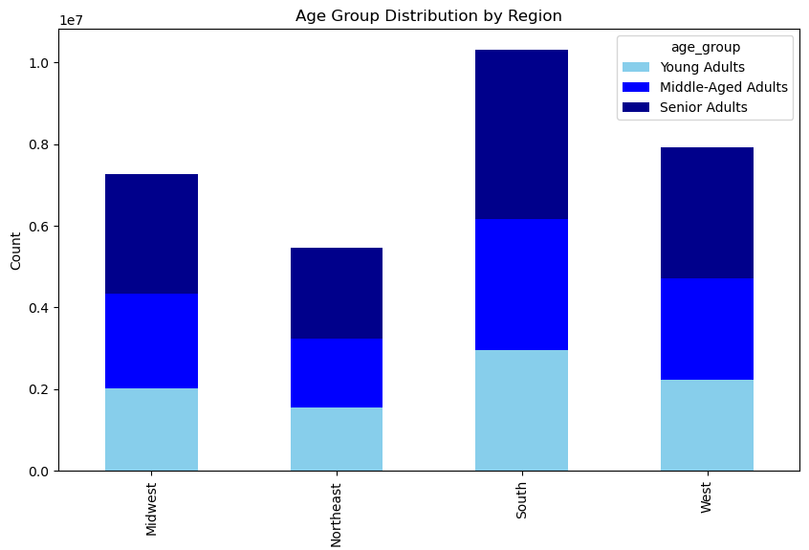
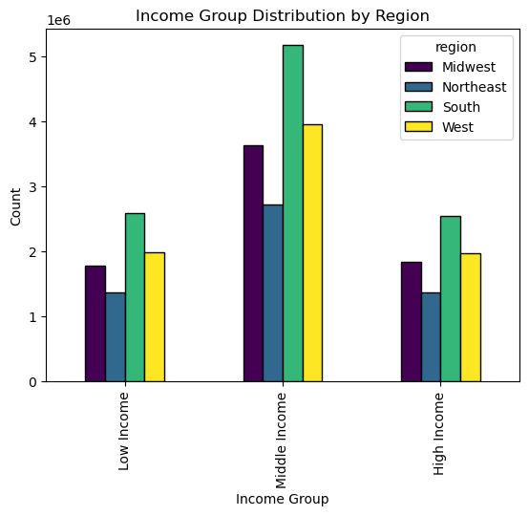

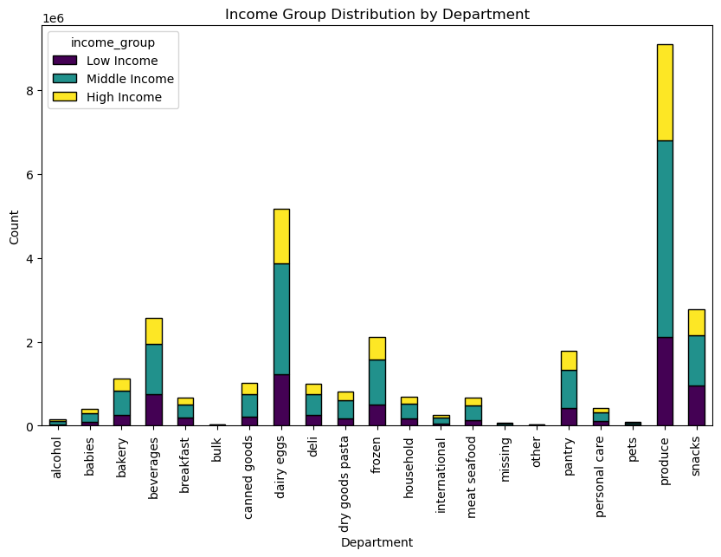
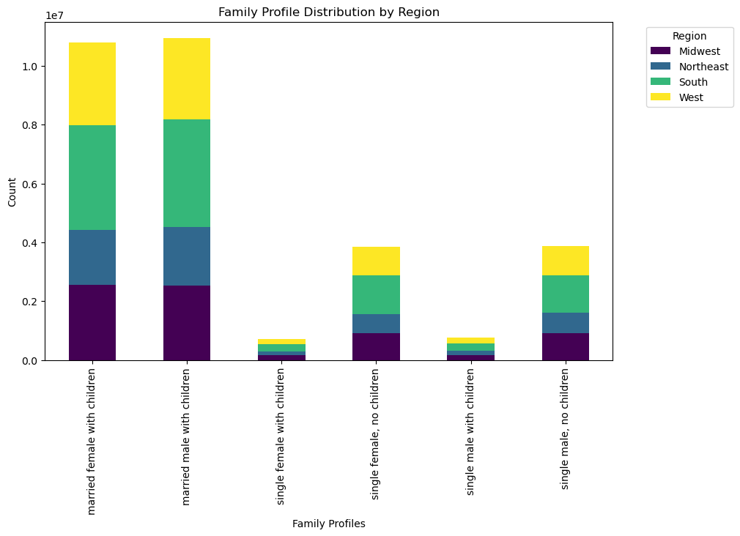

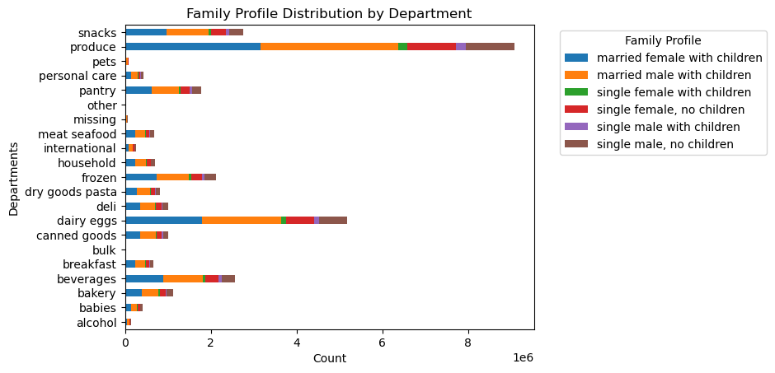

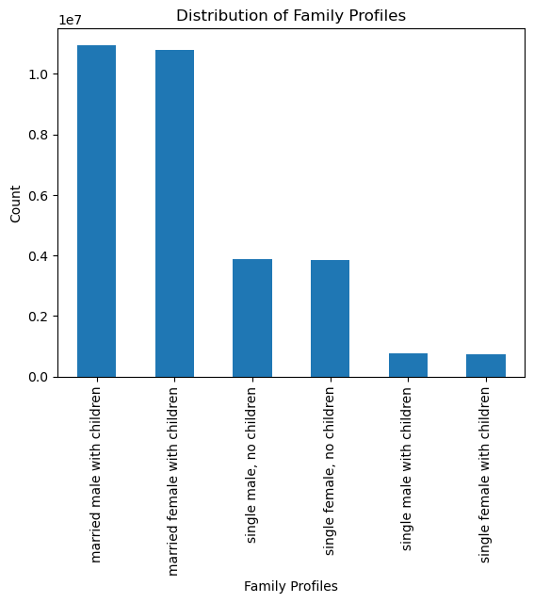

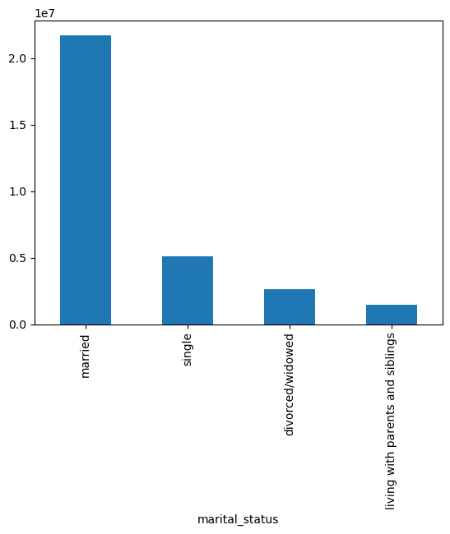

We observe a meaningful correlation between age, family status, and ordering habits, as these two demographic groups consistently form the majority of the customers. Leveraging this insight, a strategic business move could involve tailoring marketing campaigns to specifically resonate with the preferences and needs of these key segments. Personalized promotions, family-oriented bundles, or age-targeted offers could potentially enhance customer engagement and contribute to sustained business growth.

7. Recommendations
 |  |  | Title page

Recommendations

In this tab you should include any recommendations you would made to Instcart in terms of their marketing strategy based on the questions posed in the brief. Every key question has been covered in the Tasks of the Exercises - here you need to add an item - a visualisation or table/crosstable that is showing the answer in the data, acompanied by a comment from you. Please, list the questions below and add the answer underneath.

 | Question | Answer
Key Question 1 | The sales team needs to know what the busiest days of the week and hours of the day are (i.e., the days and times with the most orders) in order to schedule ads at times when there are fewer orders. | The sales team's strategic advertising efforts can be greatly optimized by understanding the peak days and hours of order placement. According to the order_hour_ofday histogram, customers predominantly place orders between 9 AM to 4 PM, emphasizing the importance of targeting ads during these hours. Additionally, the bar chart paints a clear picture: Saturdays and Sundays witness the highest order volumes, showcasing a strong inclination towards weekend shopping among customers. Armed with this information, the sales team can schedule ads during off-peak hours, maximizing their impact when order placements are comparatively lower, ensuring efficient allocation of resources and a more effective outreach strategy.
Key Question 2 | They also want to know whether there are particular times of the day when people spend the most money, as this might inform the type of products they advertise at these times. | The most expensive items are predominantly purchased around 3 a.m., marking a unique window for high-value transactions. Notably, aside from these outliers, customer spending remains relatively consistent throughout the rest of the day. In the early morning hours, it is advisable to present premium and high-value items with targeted advertisements. By aligning product offerings with customer spending habits, the sales team can build targeted campaigns, maximizing revenue potential during these specific time periods.
Key Question 3 | Instacart has a lot of products with different price tags. Marketing and sales want to use simpler price range groupings to help direct their efforts. | The comprehensive range of products available on Instacart caters to a diverse customer base with varying budgets. The histogram analysis reveals a compelling trend: the majority of products fall within the price range of $2 to $15. This insight serves as a valuable guide for marketing and sales teams, indicating that customers are particularly inclined towards affordable and moderately priced items.
Key Question 4 | Are there certain types of products that are more popular than others? The marketing and sales teams want to know which departments have the highest frequency of product orders. | Recognizing the clear trends in customer preferences, retailers have a unique opportunity to refine their marketing efforts. By concentrating promotional activities around top-selling departments such as Produce, Dairy & Eggs, Snacks, and Frozen items, businesses can create impactful marketing campaigns tailored to meet customer demands effectively.
Key Question 5 | What’s the distribution among users in regards to their brand loyalty (i.e., how often do they return to Instacart)? | Cultivating loyalty among our current clientele is extremely important. We recommend launching personalized initiatives targeting new customers, enticing them with attractive offers to facilitate their initial purchases and familiarize them with the benefits of our loyalty program. For regular customers, strengthening their loyalty is key; this is achieved through exclusive offers, personalized product offers and a multi-level loyalty scheme that recognizes their continued support. loyal customers deserve special attention; We continue to enhance their experience with exclusive incentives and early access to promotions, ensuring they feel valued and appreciated.
Key Question 6 | What differences can you find in the ordering habits of different customer profiles? Study of the correlation between age and income. | Targeted marketing campaigns: It is necessary to develop marketing campaigns tailored to different age groups. Develop messages and promotions that align with the financial capacity and preferences of individuals in this age group. Highlight products and services that meet their specific needs and desires.
Key Question 7 | What different classifications does the demographic information suggest? Region? Age? Income? Certain types of goods? Family status? | We observe a meaningful correlation between age, family status, and ordering habits, as these two demographic groups consistently form the majority of the customers. Leveraging this insight, a strategic business move could involve tailoring marketing campaigns to specifically resonate with the preferences and needs of these key segments. Personalized promotions, family-oriented bundles, or age-targeted offers could potentially enhance customer engagement and contribute to sustained business growth.

